Sheet1
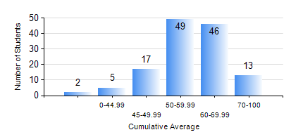
 |  |  | KWAME NKRUMAH UNIVERSITY OF SCIENCE AND TECHNOLOGY, KUMASI Department of Materials Engineering

 |  |  | BSC. MATERIALS ENG.

 |  |  | COMPREHENSIVE RECORD OF EXAMINATION RESULTS

 |  |  | RESULTS OF YEAR 1 FIRST SEMESTER, 2021/2022 ACADEMIC YEAR

 | Sn | Course Code |  | Course Name | Credit Hours | Min. Mark | Max. Mark | Avg. Mark | Std. Dev. | No. Passed | No. Trailed | No. (Df) | No. (I) | No. (I*) | No. Tagged(I,I*,Df) | Total
 | 0. |  |  |  |  |  |  | 0 | 0 | 0 | 0 | 0 | 0 | 0 | 0 | 3
 | 1. | EE 151 |  | APPLIED ELECTRICITY | 3 | 40 | 88 | 58 | 10.37 | 129 | 0 | 0 | 0 | 0 | 0 | 129
 | 2. | ENGL 157 |  | COMMUNICATION SKILLS I | 2 | 40 | 85 | 58 | 10.32 | 129 | 0 | 0 | 0 | 0 | 0 | 129
 | 3. | MATH 151 |  | ALGEBRA | 4 | 31 | 89 | 59 | 12.41 | 127 | 2 | 0 | 0 | 0 | 0 | 129
 | 4. | ME 159 |  | TECHNICAL DRAWING | 2 | 41 | 84 | 62 | 8.93 | 129 | 0 | 0 | 0 | 0 | 0 | 129
 | 5. | ME 195 |  | ENGINEERING TECHNOLOGY I | 2 | 40 | 88 | 63 | 9.65 | 129 | 0 | 0 | 0 | 0 | 0 | 129
 | 6. | MSE 151 |  | INTRODUCTION TO THERMODYNAMICS | 2 | 27 | 80 | 55 | 10.56 | 123 | 6 | 0 | 0 | 0 | 0 | 129
 | 7. | MSE 153 |  | INTRODUCTION TO INFORMATION TECHNOLOGY | 2 | 40 | 75 | 59 | 7.97 | 129 | 0 | 0 | 0 | 0 | 0 | 129

